Лист1
Bug-reports
ID | BR1 | BR2 | BR3 | BR4 | BR5 | BR6 | BR7 | BR8
Summary | Failed to delete the note | The text could not be recorded and saved in the note | Emotions are not being added to the note. | GIFs are not being added to the note. | The cursor moves, but only along one line on which it stands | Copies the path where the image is located in suggestions bar | Does not show the entire copied address. The entire address is copied as plain text | It is not possible to upload a screenshot to the notes
Pre-conditions |  | Press the left arrow on the keyboard - Settings - Voice typing - turn on |  |  | Press the left arrow on the keyboard - Settings - Glide typing- Enable gesture сursor control - turn on | Press the left arrow on the keyboard - Settings - Clipboard- Show recently copied test and images in suggestions bar - turn on | Press the left arrow on the keyboard - Settings - Clipboard- Show items such as addresses within recently copied text - turn on | Press the left arrow on the keyboard - Settings - Clipboard- Save recent screenshots in clipboard- turn on

Steps | 1 Open the list of notes in the Notes application. | 1 Open the Notes application. | 1 Open the Notes application. | 1 Open the Notes application. | 1. Open the Notes application. | 1 Copy an images | 1 Copy the address
 | 2 Select a note to delete. | 2. Open a note. | 2 Create a new note. | 2 Create a new note. | 2. Open a note. | 2 Open the Notes application. | 2 Open the Notes application.
 | 3 Сlick delete | 3 Open a keyboard | 3 Press the left arrow on the keyboard | 3 Press the left arrow on the keyboard | 3 Open a keyboard | 3 Open a note. | 3 Open a note.
 |  | 4 Сlick on the microphone on the keyboard | 4 Press the first button from the left | 4 Press the second button from the left | 4 Write the text | 4 Open a keyboard | 4 Open a keyboard
 |  | 5 Record the text by voice | 5 Add a Emotions to the note. | 5 Add a GIFs to the note. | 5 Move cursor by sliding across space bar | 5 See one on the suggestion bar | 5 See one on the suggestion bar

Expected result | The note is successfully deleted and no longer appears in the list. | Text is successfully recorded using voice input and saved in the note. | Emotions are successfully added and displayed in the note. | GIFs are successfully added and displayed in the note. | Cursor moves across the entire note | Show recently copied images in suggestions bar | Recognizes the addresses and does not show as normal copied text | The screen can hardly be loaded into the note
Actual resalt | Failed to delete the note | The text could not be recorded and saved in the note | Emotions are not being added to the note. | GIFs are not being added to the note. | The cursor moves, but only along one line on which it stands | Copies the path where the image is located in suggestions bar | Does not show the entire copied address. The entire address is copied as plain text | the function cannot be turned off
Post-codtion
Environment | Android 13 | Android 13 | Android 13 | Android 13 | Android 13 | Android 13 | Android 13 | Android 13
Severity | Critical | Minor | Minor | Minor | Major | Major | Minor | Major
Prioriity | Critical | Minor | Minor | Minor | Major | Minor | Minor | Minor
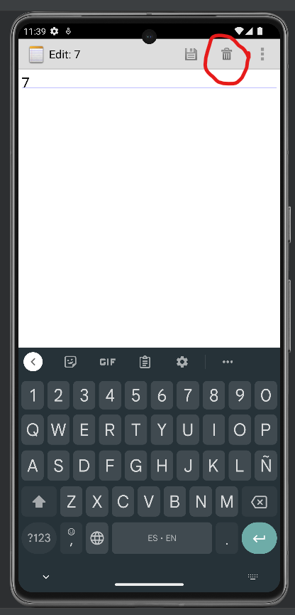
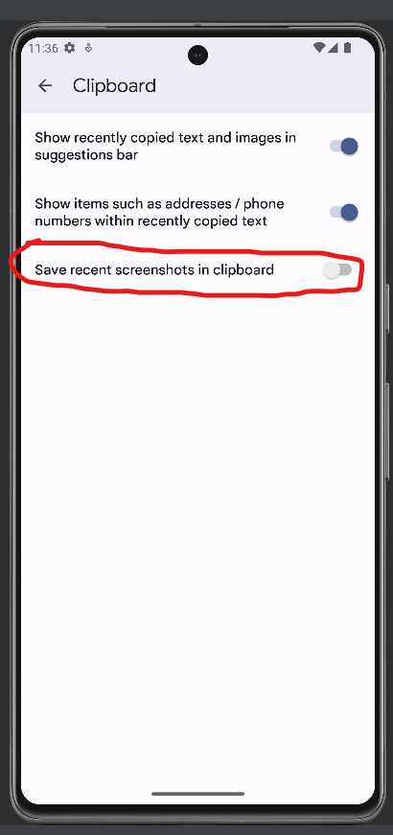
Type of bug | Functional bug | Functional bug | Functional bug | Functional bug | Functional bug | Functional bug | Functional bug | Functional bug
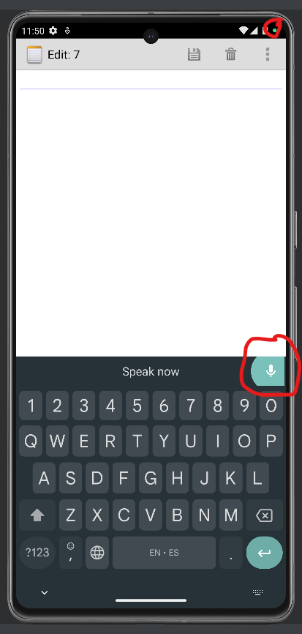
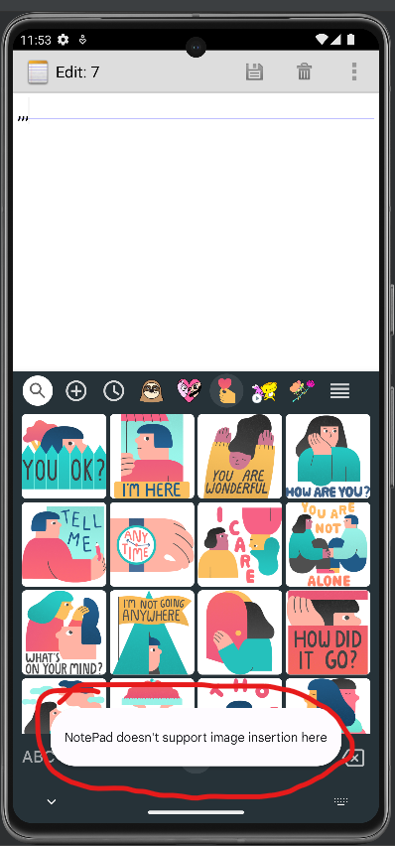
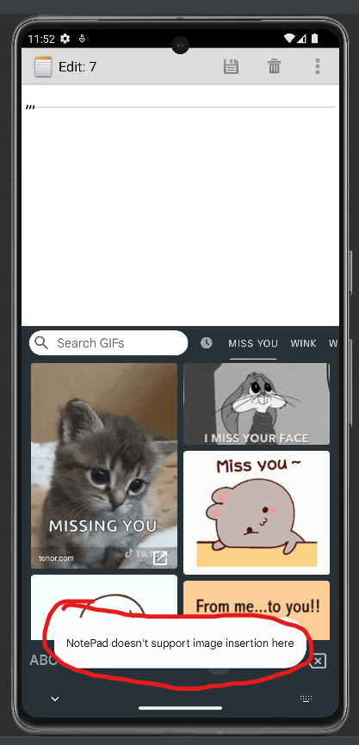
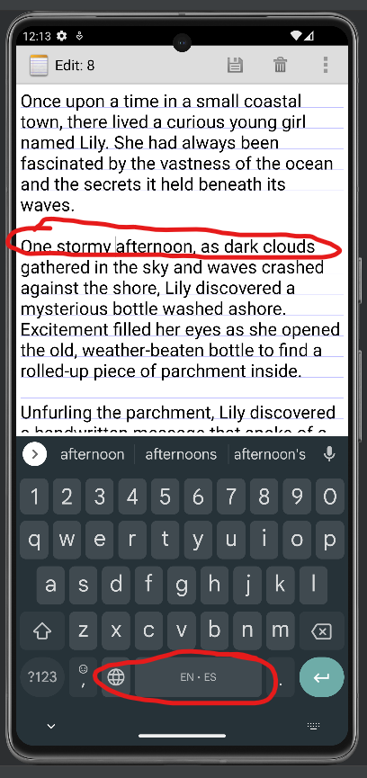
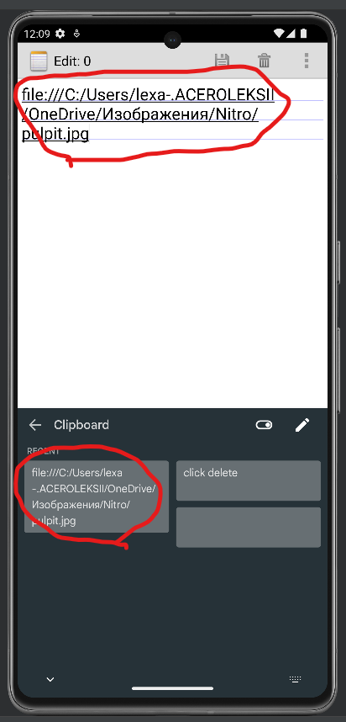
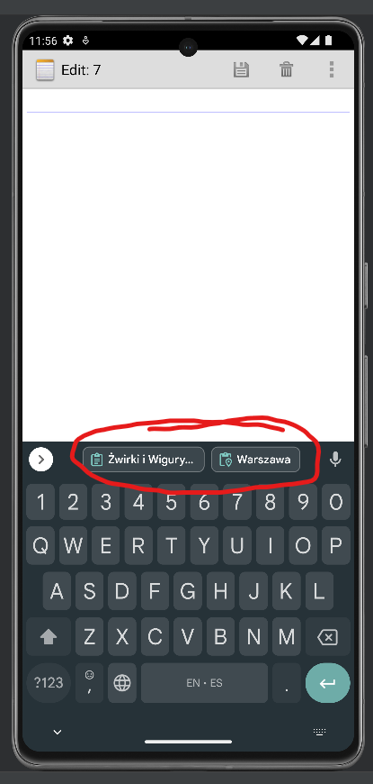
Attachment

